Sheet1
 | Twenty-Two Toes Content Inventory
Category | Item Name | Category | Product # | Decryption | Weight (Ounces) | Size* in inches (Width, Height, Thick ) | Shape* | Packaging
Soap | White Bar | Soap |  | Supplemental Material is Provide for Safety and Legal Purposed. Recipes will outline the exact decryption of products including the use Sodium Hydroxide (Na2o), Oils and additives. Documentation is provided due to Chemical Hazards and Allergens, including but not limited to: Nuts, Soy and Plants. | 2.92-3.2 oz | 3.5 x 1.75 x .75" | Rectangle | Round, Square and Rectangle
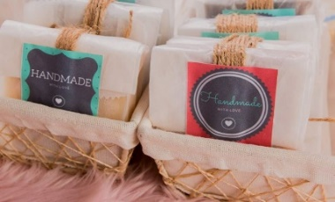
Soap | Honey, Oatmeal, Lavender with Rose Hip Oil | Soap | 7 |  | 2.92-3.2 oz | 3.5 x 1.75 x .75" | Rectangle
Soap | Aloe, Shea Butter, Chamomile (w/o clay) | Soap | 33 |  | 2.92-3.2 oz | 3.5" X .5 | Round
Soap | Aloe, Shea Butter, French Clay, Fremescence | Soap | 7 |  | 2.92-3.2 oz | 3.5" X .5 | Round
Soap | Vanilla Coffee Exfoliant | Soap | 42 |  | 2.92-3.2 oz | 2.5 x 2.5 x 2.5 x 2.5" | Square
Soap | Lemongrass & Calendula | Soap | 15 |  | 2.92-3.2 oz | 2.5 x 2.5 x 2.5 x 2.5" | Square | Packing for 2oz Creams
Soap | Lime & Coconut Milk Bar | Soap | 11 |  | 2.92-3.2 oz | 2.5 x 2.5 x 2.5 x 2.5" | Round
Soap | Thyme, Witch Hazel and Cedarwood Oil | Soap | 3 |  | 2.92-3.2 oz | 3.5 x 1.75 x .75" | Rectangle
Soap | Rosemary, Peppermint Tea Bar | Soap | 9 |  | 2.92-3.2 oz | 3.5" X .5 | Round
Soap | Orange Spice | Soap | 24 |  | 2.92-3.2 oz | 3.5 x 1.75 x .75" | Rectangle | Eye Oils
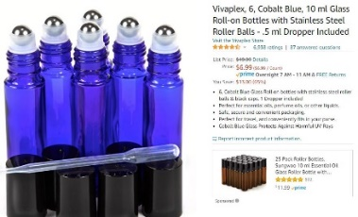
Soap | Peppermints Crush | Soap | 25 |  | 2.92-3.2 oz | 2.5 x 2.5 x 2.5 x 2.5" | Rectangle
Soap | Pine & Cranberry | Soap | 26 |  | 2.92-3.2 oz | 2.5 x 2.5 x 2.5 x 2.5" | Square
Soap | Eucalyptus & Peppermint | Soap | 63 |  | 2.92-3.2 oz | 2.5 x 2.5 x 2.5 x 2.5" | Square
Soap | Rose, Coconut and Pink Clay | Soap | 6 |  | 2.92-3.2 oz | 3.5" X .5 | Round
Soap | Garden Variety Exfoliant | Soap | 21 |  | 2.92-3.2 oz | 3.5" X .6 | Round | Spray 12oz
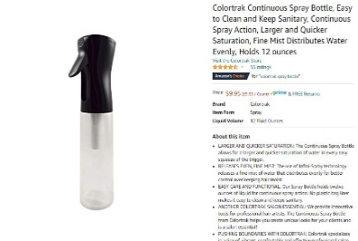
Soap | Green Tea & Honey | Soap | 56 |  | 2.92-3.2 oz | 3.5 x 1.75 x .75" | Rectangle

Skin Care | Tea tree Oil Salve | Salve | 1 | Olive Oil, Coconut oil, Beeswax and Tea Tree Oil | 2 oz |  | N/A
Skin Care | Soft Eye Oil | Eye Care | 2 | Rosehip, Jojoba, Almond, Aloe Vera Gel | .3 oz |  | N/A
Skin Care | Frankincense & Chamomile | Eye Cream | 3 | Coconut, Beeswax, Sunflower and Jojoba Oil | 2 |  | N/A
Skin Care | Green Tea & Honey Eye Cream | Eye Cream | 4 | Green Tea, Coconut Oil and Honey | 2 oz |  | N/A | Cold Cream
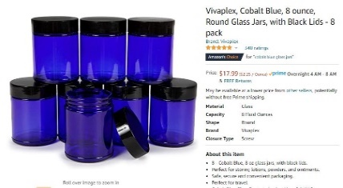
Skin Care | After Sun Soothe Spray | Skin Rub | 5 | Aloe Vera Gel, White Vinegar | 12 oz -Liquid Spray |  | N/A
Skin Care | Bigmama's Cold Cream | Facial Cleanser | 6 | Beeswax, Castro Oil, Almond Oil, Borax | 12oz |  | N/A
Skin Care | Vanilla Lip Balm | Lip Balm | 7 | Rice Bran Oil, Beeswax, Vanilla Extract, Sugar, Vanilla Essential Oil | 1 oz |  | N/A
 |  |  |  |  | *Size and Shape have slight variations due to processing

